Csuklópánt, fejpánt
Kép | Termék megnevezése | Material number | UPC | Nettó nagyker ár | Ajánlott kisker ár | Rendelt mennyiség | Ár összesen
 | NIKE TENNIS PREMIER DOUBLEWIDE WRISTBANDS 2 PK BICOASTAL/WHITE | N.000.2466.301.OS | 887791775214 | 3,495 Ft | 6,990 Ft |  | 0 Ft
 | NIKE TENNIS PREMIER DOUBLEWIDE WRISTBANDS 2 PK LASER BLUE/BLUE VOID | N.000.2466.445.OS | 887791789730 | 3,495 Ft | 6,990 Ft |  | 0 Ft
 | NIKE TENNIS PREMIER DOUBLEWIDE WRISTBANDS 2 PK VAPOR GREEN/BLACK | N.000.2466.302.OS | 887791775160 | 3,495 Ft | 6,990 Ft |  | 0 Ft
 | NIKE TENNIS PREMIER HEAD TIE BICOASTAL/WHITE | N.000.3204.301.OS | 887791775238 | 3,995 Ft | 7,990 Ft |  | 0 Ft
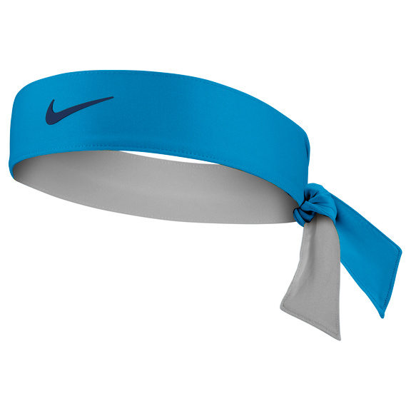 | NIKE TENNIS PREMIER HEAD TIE LASER BLUE/BLUE VOID | N.000.3204.445.OS | 887791789754 | 3,995 Ft | 7,990 Ft |  | 0 Ft
 | NIKE TENNIS HEADBAND BLACK/WHITE OSFM | N.TN.00.010.OS | 887791182456 | 3,995 Ft | 7,990 Ft |  | 0 Ft
 | NIKE TENNIS PREMIER WRISTBANDS 2 PK TEAM ORANGE/WHITE | N.000.2467.800.OS | 887791743879 | 2,995 Ft | 5,990 Ft |  | 0 Ft
 | NIKE TENNIS PREMIER WRISTBANDS 2 PK TOPAZ GOLD/WHITE | N.000.2467.731.OS | 887791734181 | 2,995 Ft | 5,990 Ft |  | 0 Ft
 | NIKE SWOOSH WRISTBANDS 2PK ATOMIC GREEN/BLACK | N.NN.04.710.OS | 845840058053 | 2,495 Ft | 4,990 Ft |  | 0 Ft
 | NIKE SWOOSH WRISTBANDS 2PK MATTE SILVER/BLACK | N.NN.04.051.OS | 845840057988 | 2,495 Ft | 4,990 Ft |  | 0 Ft
 | NIKE SWOOSH WRISTBANDS 2PK VARSITY RED/WHITE | N.NN.04.601.OS | 845840073377 | 2,495 Ft | 4,990 Ft |  | 0 Ft
 | NIKE SWOOSH WRISTBANDS 2PK WHITE/BLACK | N.NN.04.101.OS | 845840057971 | 2,495 Ft | 4,990 Ft |  | 0 Ft
 | NIKE SWOOSH DOUBLEWIDE WRISTBANDS 2PK MATTE SILVER/BLACK | N.NN.05.078.OS | 845840058466 | 3,245 Ft | 6,490 Ft |  | 0 Ft
 | NIKE SWOOSH DOUBLEWIDE WRISTBANDS 2 PK WHITE/VAPOR GREEN/WHITE | N.000.1586.117.OS | 887791770394 | 3,245 Ft | 6,490 Ft |  | 0 Ft
 | NIKE SWOOSH HEADBAND WHITE/BLACK | N.NN.07.101.OS | 845840058480 | 1,995 Ft | 3,990 Ft |  | 0 Ft
 | NIKE DRI-FIT HOME & AWAY DOUBLEWIDE WRISTBANDS 2PK BLACK/BASE GREY | N.NN.B0.022.OS | 887791011879 | 3,245 Ft | 6,490 Ft |  | 0 Ft
 | NIKE DRI-FIT HOME & AWAY DOUBLEWIDE WRISTBANDS 2PK WHITE/BLACK | N.NN.B0.101.OS | 887791011893 | 3,245 Ft | 6,490 Ft |  | 0 Ft
 | NIKE DRI-FIT HOME & AWAY HEADBAND BLACK/BASE GREY | N.NN.B1.022.OS | 887791011992 | 3,245 Ft | 6,490 Ft |  | 0 Ft
 |  |  |  |  | Összes rendelés | 0 | 0 Ft

Edzőkesztyűk
Kép | Termék megnevezése | Material number | UPC | Nettó nagyker ár | Ajánlott kisker ár | Rendelt mennyiség | Ár összesen
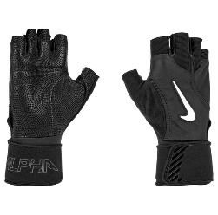 | NIKE U ALPHA ELITE TG BLACK/BLACK/WHITE M | N.101.0672.091.MD | 887791778635 | 11,245 Ft | 22,490 Ft |  | 0 Ft
 | NIKE W VAPOR ELITE FTG BLACK/BLACK/WHITE L | N.101.0673.091.LG | 887791778482 | 5,995 Ft | 11,990 Ft |  | 0 Ft
 | NIKE W VAPOR ELITE FTG BLACK/BLACK/WHITE M | N.101.0673.091.MD | 887791778475 | 5,995 Ft | 11,990 Ft |  | 0 Ft
 | NIKE W VAPOR ELITE FTG BLACK/BLACK/WHITE S | N.101.0673.091.SL | 887791778499 | 5,995 Ft | 11,990 Ft |  | 0 Ft
 | NIKE W VAPOR FTG BLACK/BLACK/WHITE L | N.101.0675.091.LG | 887791778833 | 4,995 Ft | 9,990 Ft |  | 0 Ft
 | NIKE W VAPOR FTG BLACK/BLACK/WHITE M | N.101.0675.091.MD | 887791778857 | 4,995 Ft | 9,990 Ft |  | 0 Ft
 | NIKE W VAPOR FTG BLACK/BLACK/WHITE S | N.101.0675.091.SL | 887791778840 | 4,995 Ft | 9,990 Ft |  | 0 Ft
 | NIKE W GYM ESSENTIAL FG 2.0 VIVID PINK/BLACK/WHITE L | N.101.2314.696.LG | 887791784667 | 3,995 Ft | 7,990 Ft |  | 0 Ft
 | NIKE WOMENS GYM ESSENTIAL FG 2.0 BLACK/BLACK/WHITE M | N.101.2314.091.MD | 887791784599 | 3,995 Ft | 7,990 Ft |  | 0 Ft
 | NIKE WOMENS GYM ESSENTIAL FG 2.0 BLACK/BLACK/WHITE SL | N.101.2314.091.SL | 887791784612 | 3,995 Ft | 7,990 Ft |  | 0 Ft
 | NIKE WOMEN'S GYM ELEMENTAL FITNESS GLOVES L BLACK/WHITE | N.LG.D2.010.LG | 887791179371 | 4,995 Ft | 9,990 Ft |  | 0 Ft
 | NIKE WOMEN'S GYM ELEMENTAL FITNESS GLOVES M BLACK/WHITE | N.LG.D2.010.MD | 887791179364 | 4,995 Ft | 9,990 Ft |  | 0 Ft
 | NIKE WOMEN'S GYM ELEMENTAL FITNESS GLOVES S BLACK/WHITE | N.LG.D2.010.SL | 887791179357 | 4,995 Ft | 9,990 Ft |  | 0 Ft
 | NIKE WOMEN'S GYM ELEMENTAL FITNESS GLOVES XS BLACK/WHITE | N.LG.D2.010.XS | 887791179340 | 4,995 Ft | 9,990 Ft |  | 0 Ft
 | NIKE M VAPOR ELITE FTG BLACK/BLACK/WHITE L | N.101.0674.091.LG | 887791778666 | 5,995 Ft | 11,990 Ft |  | 0 Ft
 | NIKE M VAPOR ELITE FTG BLACK/BLACK/WHITE M | N.101.0674.091.MD | 887791778659 | 5,995 Ft | 11,990 Ft |  | 0 Ft
 | NIKE M VAPOR ELITE FTG BLACK/BLACK/WHITE XL | N.101.0674.091.XL | 887791778673 | 5,995 Ft | 11,990 Ft |  | 0 Ft
 | NIKE MENS VAPOR FG BLACK/BLACK/WHITE L | N.101.0676.091.LG | 887791778512 | 4,995 Ft | 9,990 Ft |  | 0 Ft
 | NIKE MENS VAPOR FG BLACK/BLACK/WHITE M | N.101.0676.091.MD | 887791778543 | 4,995 Ft | 9,990 Ft |  | 0 Ft
 | NIKE MENS GYM ESSENTIAL FG 2.0 COOL GREY/BLACK/BLACK L | N.101.2315.032.LG | 887791784544 | 3,995 Ft | 7,990 Ft |  | 0 Ft
 | NIKE MENS GYM ESSENTIAL FG 2.0 COOL GREY/BLACK/BLACK XL | N.101.2315.032.XL | 887791784575 | 3,995 Ft | 7,990 Ft |  | 0 Ft
 | NIKE MEN'S ESSENTIAL FITNESS GLOVES COOL GREY/ANTHRACITE/VOLT M | N.LG.C5.044.MD | 887791174550 | 4,995 Ft | 9,990 Ft |  | 0 Ft
 | NIKE MEN'S ESSENTIAL FITNESS GLOVES COOL GREY/ANTHRACITE/VOLT S | N.LG.C5.044.SL | 887791174543 | 4,995 Ft | 9,990 Ft |  | 0 Ft
 | NIKE MEN'S ELEMENTAL FITNESS GLOVES BLACK/DARK GREY/BLACK/VOLT M | N.LG.D5.055.MD | 887791180995 | 6,245 Ft | 12,490 Ft |  | 0 Ft
 | NIKE MEN'S ELEMENTAL FITNESS GLOVES BLACK/DARK GREY/BLACK/VOLT XL | N.LG.D5.055.XL | 887791181015 | 6,245 Ft | 12,490 Ft |  | 0 Ft
 |  |  |  |  | Összes rendelés | 0 | 0 Ft

Football
Kép | Termék megnevezése | Material number | UPC | Nettó nagyker ár | Ajánlott kisker ár | Rendelt mennyiség | Ár összesen
 | NIKE PLAYGROUND FB OFFICIAL NN DEFLATED MULTI/BLACK/WHITE 9 OFFICIAL | N.100.4476.924.09 | 887791405739 | 4,995 Ft | 9,990 Ft |  | 0 Ft
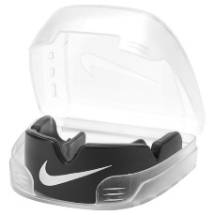 | NIKE ALPHA CE MG BLACK/WHITE OSFM | N.100.7681.010.OS | 887791741042 | 4,495 Ft | 8,990 Ft |  | 0 Ft
 | NIKE ALPHA CE MG UNIVERSITY RED/WHITE OSFM | N.100.7681.610.OS | 887791740717 | 4,495 Ft | 8,990 Ft |  | 0 Ft
 | NIKE SKULL CAP KNIT BLACK/WHITE | N.100.9447.010.OS | 887791765338 | 7,245 Ft | 14,490 Ft |  | 0 Ft
 | NIKE PRO DRI-FIT GAITER BLACK/WHITE OSFM | N.100.9449.010.OS | 887791765253 | 4,995 Ft | 9,990 Ft |  | 0 Ft
 | NIKE FUTBOL ARM BAND 2.0 VOLT/BLACK OSFM | N.SN.05.710.OS | 887791069191 | 1,995 Ft | 3,990 Ft |  | 0 Ft
 | NIKE ESSENTIAL BALL PUMP INTL BLACK/WHITE/WHITE | N.KJ.02.027.NS | 887791177544 | 3,495 Ft | 6,990 Ft |  | 0 Ft
 | NIKE ESSENTIAL BALL PUMP INTL GAME ROYAL/WHITE/WHITE | N.KJ.02.420.NS | 887791177568 | 3,495 Ft | 6,990 Ft |  | 0 Ft
 | NIKE ESSENTIAL BALL PUMP WHITE/METALLIC GOLD/BLACK | N.000.1384.180.NS | 887791773401 | 3,495 Ft | 6,990 Ft |  | 0 Ft
 |  |  |  |  | Összes rendelés | 0 | 0 Ft

Futó kiegészítők
Kép | Termék megnevezése | Material number | UPC | Nettó nagyker ár | Ajánlott kisker ár | Rendelt mennyiség | Ár összesen
 | NIKE LEAN ARM BAND PLUS VAPOR GREEN/BLACK/BLACK | N.000.1266.326.OS | 887791764058 | 6,495 Ft | 12,990 Ft |  | 0 Ft
 | NIKE PRINTED LEAN ARM BAND CERULEAN/BLACK/SILVER | N.000.3570.974.OS | 887791382306 | 6,495 Ft | 12,990 Ft |  | 0 Ft
 | NIKE RACE DAY BACKPACK PRINTED 13 L CERULEAN/BLACK/SILVER | N.000.3590.974.NS | 887791381873 | 10,995 Ft | 21,995 Ft |  | 0 Ft
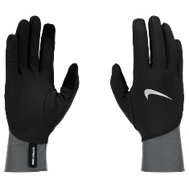 | NIKE M PACER MIDWEIGHT RG BLACK/SMOKE GREY/SILVER L | N.101.0535.018.LG | 887791781574 | 4,995 Ft | 9,990 Ft |  | 0 Ft
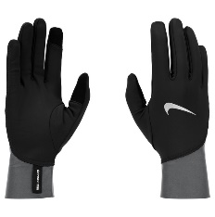 | NIKE M PACER MIDWEIGHT RG BLACK/SMOKE GREY/SILVER M | N.101.0535.018.MD | 887791781567 | 4,995 Ft | 9,990 Ft |  | 0 Ft
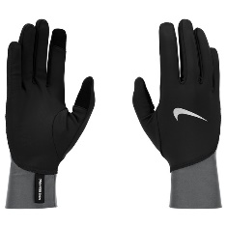 | NIKE M PACER MIDWEIGHT RG BLACK/SMOKE GREY/SILVER XL | N.101.0535.018.XL | 887791781598 | 4,995 Ft | 9,990 Ft |  | 0 Ft
 | NIKE MENS PACER LIGHTWEIGHT RG BLACK/BLACK/SILVER L | N.101.0533.082.LG | 887791781444 | 4,495 Ft | 8,990 Ft |  | 0 Ft
 | NIKE MENS PACER LIGHTWEIGHT RG BLACK/BLACK/SILVER XL | N.101.0533.082.XL | 887791781413 | 4,495 Ft | 8,990 Ft |  | 0 Ft
 | NIKE WOMENS PACER LIGHTWEIGHT RG BLACK/BLACK/SILVER L | N.101.0534.082.LG | 887791782427 | 4,495 Ft | 8,990 Ft |  | 0 Ft
 | NIKE WOMENS PACER LIGHTWEIGHT RG BLACK/BLACK/SILVER M | N.101.0534.082.MD | 887791782410 | 4,495 Ft | 8,990 Ft |  | 0 Ft
 | NIKE WOMENS PACER LIGHTWEIGHT RG BLACK/BLACK/SILVER S | N.101.0534.082.SL | 887791782397 | 4,495 Ft | 8,990 Ft |  | 0 Ft
 | NIKE WOMEN'S ESSENTIAL HAT AND GLOVE SET BLACK/BLACK/SILVER M/L | N.100.0595.082.ML | 887791368683 | 8,495 Ft | 16,990 Ft |  | 0 Ft
 | NIKE WOMEN'S ESSENTIAL HAT AND GLOVE SET BLACK/BLACK/SILVER XS/S | N.100.0595.082.2S | 887791368690 | 8,495 Ft | 16,990 Ft |  | 0 Ft
 |  |  |  |  | Összes rendelés | 0 | 0 Ft

Hajpánt
Kép | Termék megnevezése | Material number | UPC | Nettó nagyker ár | Ajánlott kisker ár | Rendelt mennyiség | Ár összesen
 | NIKE FLEX HAIR TIE 6PK WHITE/VAPOR GREEN/WHITE | N.100.9194.130.OS | 887791764317 | 3,745 Ft | 7,490 Ft |  | 0 Ft
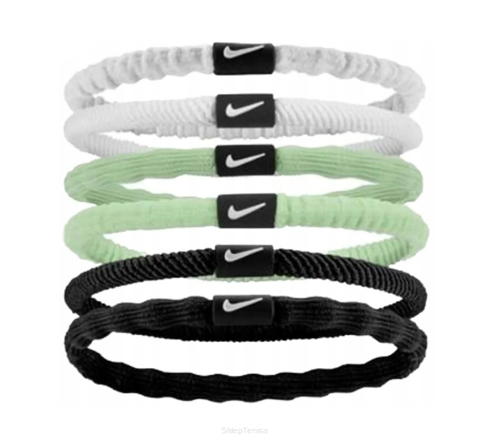 | NIKE FLEX HEADBAND 2PK BLACK/WHITE/BLACK | N.100.9191.036.OS | 887791763587 | 2,495 Ft | 4,990 Ft |  | 0 Ft
 | NIKE ELASTIC HEADBANDS 2.0 3 PK SPARK/GRIDIRON/PINK GLAZE OSFM | N.100.4529.658.OS | 887791408365 | 2,995 Ft | 5,990 Ft |  | 0 Ft
 | NIKE ELASTIC HEADBANDS 2.0 3 PK VOLT/BLACK/HYPER PINK | N.100.4529.709.OS | 887791408303 | 2,995 Ft | 5,990 Ft |  | 0 Ft
 | NIKE HEADBANDS 6 PK PRINTED WHITE/WHITE/WHITE | N.000.2545.176.OS | 887791362681 | 4,995 Ft | 9,990 Ft |  | 0 Ft
 | NIKE SWOOSH SPORT HEADBANDS 6 PK TIPPED UNIVERSITY RED/GAME ROYAL/VOLT | N.100.2021.655.OS | 887791371546 | 3,495 Ft | 6,990 Ft |  | 0 Ft
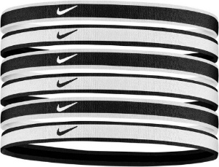 | NIKE SWOOSH SPORT HEADBANDS 6 PK TIPPED WHITE/BLACK/WHITE | N.100.2021.176.OS | 887791366627 | 3,495 Ft | 6,990 Ft |  | 0 Ft
 |  |  |  |  | Összes rendelés | 0 | 0 Ft

Jordan
Kép | Termék megnevezése | Material number | UPC | Nettó nagyker ár | Ajánlott kisker ár | Rendelt mennyiség | Ár összesen
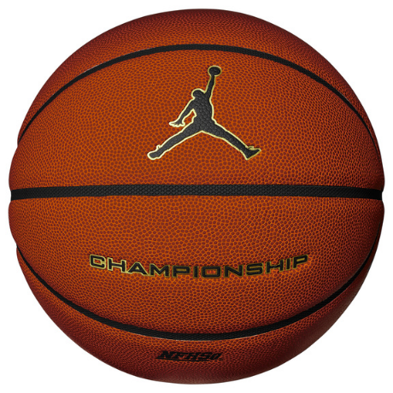 | JORDAN CHAMPIONSHIP 8P DEFLATED AMBER/BLACK/METALLIC GOLD/BLACK 07 | J.100.9917.891.07 | 887791426451 | 19,995 Ft | 39,990 Ft |  | 0 Ft
 | JORDAN CHAMPIONSHIP 8P DEFLATED NFHS AMBER/BLACK/METALLIC GOLD/BLACK 06 | J.100.8251.891.06 | 887791164285 | 19,995 Ft | 39,990 Ft |  | 0 Ft
 | JORDAN CHAMPIONSHIP 8P DEFLATED NFHS AMBER/BLACK/METALLIC GOLD/BLACK 07 | J.100.8251.891.07 | 887791164292 | 19,995 Ft | 39,990 Ft |  | 0 Ft
 | JORDAN DIAMOND OUTDOOR 8P DEFLATED AMBER/BLACK/METALLIC GOLD/BLACK 06 | J.100.8252.891.06 | 887791164315 | 12,995 Ft | 25,990 Ft |  | 0 Ft
 | JORDAN BASKETBALL 8P ENERGY DEFLATED DK POWDER BLUE/WHITE/DK POWDER BLUE 07 | J.100.8735.906.07 | 887791429162 | 12,495 Ft | 24,990 Ft |  | 0 Ft
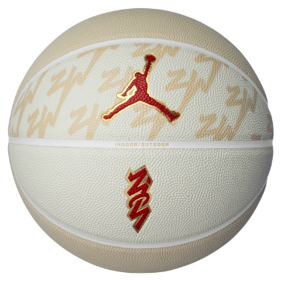 | JORDAN ALL COURT 8P Z WILLIAMSON DEFLATED TEAM GOLD/WHITE/METALLIC GOLD/UNIVERSITY RED 07 | J.100.4141.720.07 | 887791163417 | 9,995 Ft | 19,990 Ft |  | 0 Ft
 | JORDAN LEGACY 2.0 8P DEFLATED AMBER/BLACK/METALLIC SILVER/BLACK 06 | J.100.8253.855.06 | 887791164469 | 8,495 Ft | 16,990 Ft |  | 0 Ft
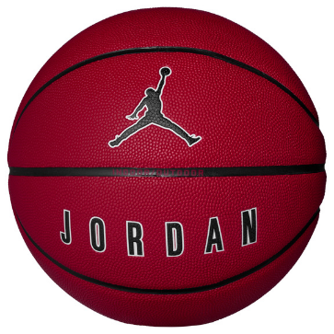 | JORDAN ULTIMATE 2.0 8P DEFLATED LIGHT DEW/OXIDIZED GREEN/BLACK/LIGHT DEW 07 | J.100.8254.330.07 | 887791430021 | 7,995 Ft | 15,990 Ft |  | 0 Ft
 | JORDAN ULTIMATE 2.0 8P DEFLATED UNIVERSITY BLUE/OBSIDIAN/OBSIDIAN/WHITE 07 | J.100.8254.427.07 | 887791164414 | 7,995 Ft | 15,990 Ft |  | 0 Ft
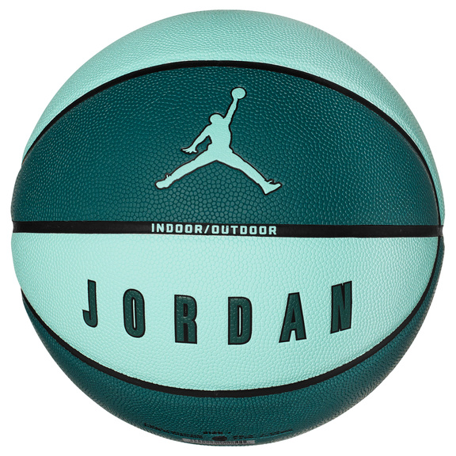 | JORDAN ULTIMATE 2.0 8P DEFLATED UNIVERSITY RED/BLACK/WHITE/BLACK 07 | J.100.8254.651.07 | 887791164346 | 7,995 Ft | 15,990 Ft |  | 0 Ft
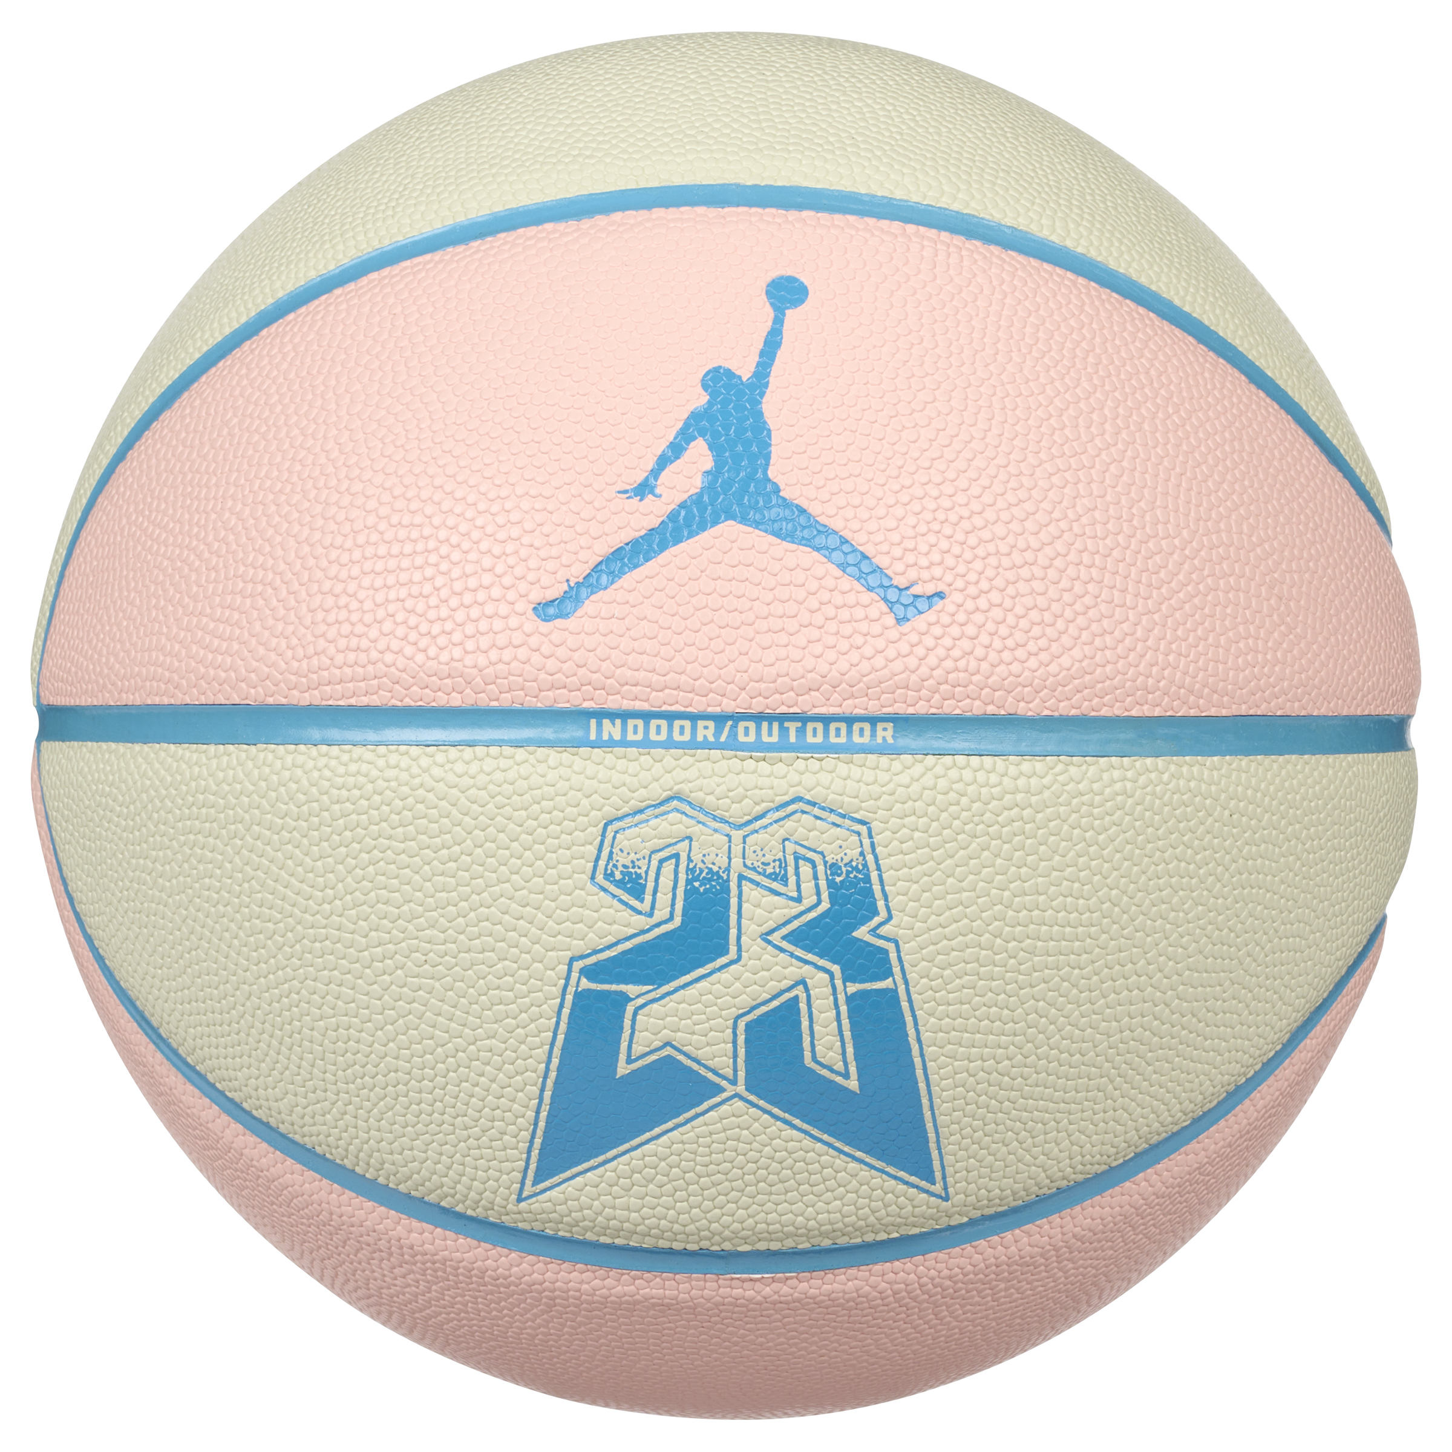 | JORDAN ULTIMATE 2.0 8P GRAPHIC DEFLATED MUSLIN/LEGEND PINK/DK POWDER BLUE 07 | J.100.8257.122.07 | 887791429605 | 8,495 Ft | 16,990 Ft |  | 0 Ft
 | JORDAN ESSENTIAL BALL PUMP INTL WHITE/CEMENT GREY/FIRE RED | J.000.1947.128.NS | 887791164483 | 3,995 Ft | 7,990 Ft |  | 0 Ft
 | JORDAN LANYARD UTILITY BLACK/BLACK/WHITE OSFM | J.100.4298.091.OS | 887791161161 | 8,745 Ft | 17,490 Ft |  | 0 Ft
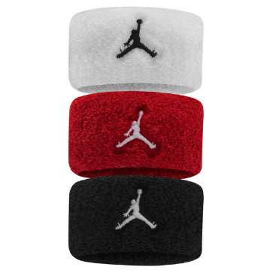 | JORDAN W HAIR TIES TERRY 3 PK WHITE/GYM RED/BLACK | J.100.7015.117.OS | 887791163387 | 2,995 Ft | 5,990 Ft |  | 0 Ft
 | JORDAN HEADBANDS 3PK GYM RED/BLACK/WOLF GREY | J.000.3599.626.OS | 887791159410 | 3,995 Ft | 7,990 Ft |  | 0 Ft
 | JORDAN M WRISTBANDS 2 PK TERRY WASHED TEAL/WASHED TEAL/WHITE | J.100.4300.308.OS | 887791161086 | 3,745 Ft | 7,490 Ft |  | 0 Ft
 | JORDAN M WRISTBANDS 2 PK TERRY WHITE/BLACK/WHITE | J.100.4300.189.OS | 887791161093 | 3,745 Ft | 7,490 Ft |  | 0 Ft
 | JORDAN M HEADBAND TERRY WHITE/BLACK/WHITE | J.100.4299.189.OS | 887791161192 | 4,245 Ft | 8,490 Ft |  | 0 Ft
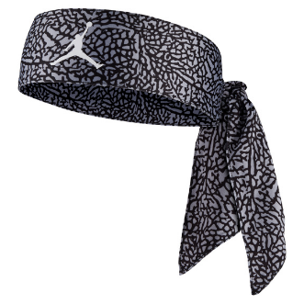 | JORDAN DRI-FIT JUMPMAN HEAD TIE PRINTED WOLF GREY/BLACK/WHITE | J.100.7578.069.OS | 887791163349 | 4,995 Ft | 9,990 Ft |  | 0 Ft
 | JORDAN WINGS HEADBAND 2.0 BLACK/GYM RED OSFM | J.000.3604.001.OS | 887791159243 | 2,245 Ft | 4,490 Ft |  | 0 Ft
 | JORDAN WINGS HEADBAND 2.0 WHITE/METALLIC GOLD OSFM | J.000.3604.109.OS | 887791159236 | 2,245 Ft | 4,490 Ft |  | 0 Ft
 | JORDAN JUMPMAN HEADBAND WHITE/BLACK | J.KN.00.101.OS | 887791157713 | 3,495 Ft | 6,990 Ft |  | 0 Ft
 | JORDAN JUMPMAN HEADBAND GYM RED/BLACK | J.KN.00.605.OS | 887791157744 | 3,495 Ft | 6,990 Ft |  | 0 Ft
 | JORDAN JUMPMAN TERRY WRIST BANDS 2 PK BLACK/WHITE/GYM RED | J.100.7579.068.OS | 887791163318 | 3,495 Ft | 6,990 Ft |  | 0 Ft
 | JORDAN JUMPMAN TERRY HEADBAND BLACK/GYM RED | J.100.7580.063.OS | 887791163332 | 3,495 Ft | 6,990 Ft |  | 0 Ft
 | JORDAN JUMPMAN TERRY HEADBAND WHITE/GYM RED | J.100.7580.134.OS | 887791163370 | 3,495 Ft | 6,990 Ft |  | 0 Ft
 | JORDAN SHOOTER SLEEVES S/M GYM RED/BLACK | J.KS.04.605.SM | 887791158215 | 9,995 Ft | 19,990 Ft |  | 0 Ft
 | JORDAN SHOOTER SLEEVES S/M WHITE/BLACK | J.KS.04.101.SM | 887791158185 | 9,995 Ft | 19,990 Ft |  | 0 Ft
 | JORDAN SHOOTER SLEEVES L/XL WHITE/BLACK | J.KS.04.101.LX | 887791158192 | 9,995 Ft | 19,990 Ft |  | 0 Ft
 | JORDAN SHOOTER SLEEVES S/M BLACK/WHITE | J.KS.04.010.SM | 887791158161 | 9,995 Ft | 19,990 Ft |  | 0 Ft
 | JORDAN SHOOTER SLEEVES L/XL BLACK/WHITE | J.KS.04.010.LX | 887791158154 | 9,995 Ft | 19,990 Ft |  | 0 Ft
 | JORDAN FINGER SLEEVES L BLACK/WHITE | J.KS.03.010.LG | 887791158314 | 1,245 Ft | 2,490 Ft |  | 0 Ft
 | JORDAN FINGER SLEEVES M BLACK/WHITE | J.KS.03.010.MD | 887791158307 | 1,245 Ft | 2,490 Ft |  | 0 Ft
 | JORDAN FINGER SLEEVES S BLACK/WHITE | J.KS.03.010.SL | 887791158291 | 1,245 Ft | 2,490 Ft |  | 0 Ft
 | JORDAN M HYPERSTORM FLEECE TG BLACK/BLACK/HEMP S | J.100.2720.034.SL | 887791160386 | 8,745 Ft | 17,490 Ft |  | 0 Ft
 | JORDAN M HYPERSTORM FLEECE TG BLACK/BLACK/HEMP M | J.100.2720.034.MD | 887791160379 | 8,745 Ft | 17,490 Ft |  | 0 Ft
 | JORDAN M HYPERSTORM FLEECE TG BLACK/BLACK/HEMP XL | J.100.2720.034.XL | 887791160362 | 8,745 Ft | 17,490 Ft |  | 0 Ft
 |  |  |  |  | Összes rendelés | 0 | 0 Ft

Kosárlabda
Kép | Termék megnevezése | Material number | UPC | Nettó nagyker ár | Ajánlott kisker ár | Rendelt mennyiség | Ár összesen
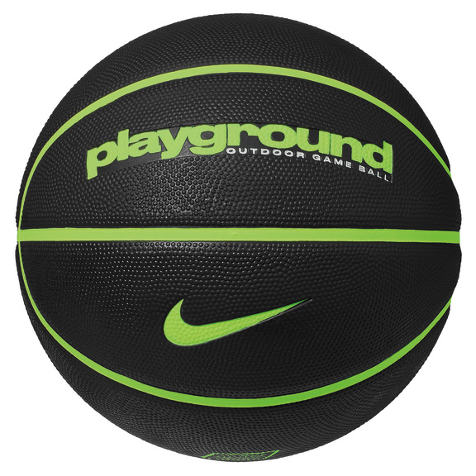 | NIKE EVERYDAY PLAYGROUND 8P DEFLATED BLACK/VOLT/VOLT 05 | N.100.4498.085.05 | 887791401946 | 4,495 Ft | 8,990 Ft |  | 0 Ft
 | NIKE EVERYDAY PLAYGROUND 8P DEFLATED BLACK/VOLT/VOLT 06 | N.100.4498.085.06 | 887791401939 | 4,495 Ft | 8,990 Ft |  | 0 Ft
 | NIKE EVERYDAY PLAYGROUND 8P DEFLATED BLACK/VOLT/VOLT 07 | N.100.4498.085.07 | 887791401922 | 4,495 Ft | 8,990 Ft |  | 0 Ft
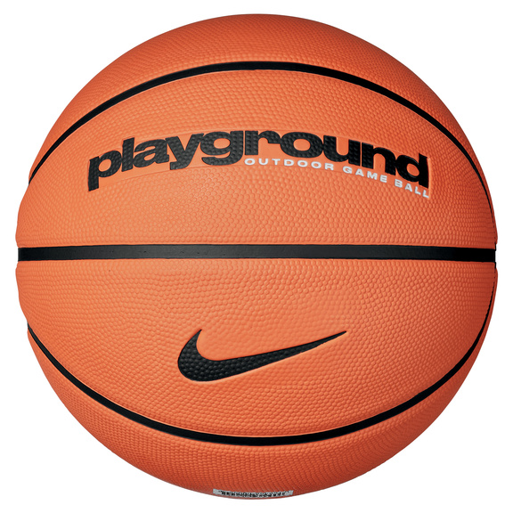 | NIKE EVERYDAY PLAYGROUND 8P DEFLATED AMBER/BLACK/BLACK 05 | N.100.4498.814.05 | 887791401779 | 4,495 Ft | 8,990 Ft |  | 0 Ft
 | NIKE EVERYDAY PLAYGROUND 8P DEFLATED AMBER/BLACK/BLACK 07 | N.100.4498.814.07 | 887791401793 | 4,495 Ft | 8,990 Ft |  | 0 Ft
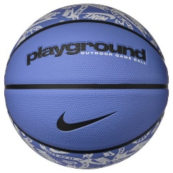 | NIKE EVERYDAY PLAYGROUND 8P GRAPHIC DEFLATED POLAR/BLACK/BLACK/WHITE 07 | N.100.4371.431.07 | 887791757760 | 4,495 Ft | 8,990 Ft |  | 0 Ft
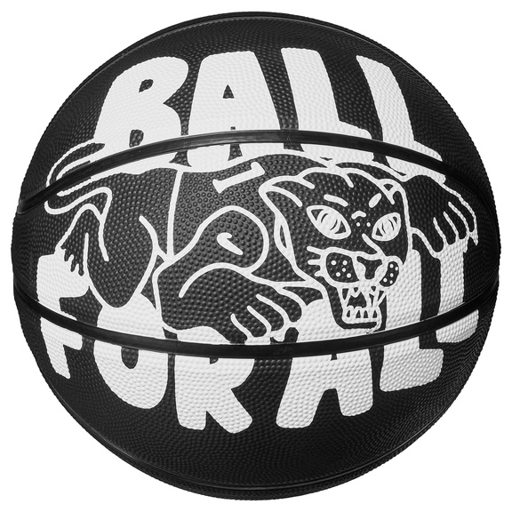 | NIKE EVERYDAY PLAYGROUND 8P GRAPHIC DEFLATED BLACK/WHITE/BLACK/BLACK 07 | N.100.4371.039.07 | 887791736130 | 4,995 Ft | 9,990 Ft |  | 0 Ft
 | NIKE EVERYDAY PLAYGROUND 8P GRAPHIC DEFLATED AMBER/BLACK/BLACK/BLACK 07 | N.100.4371.811.07 | 887791735997 | 4,995 Ft | 9,990 Ft |  | 0 Ft
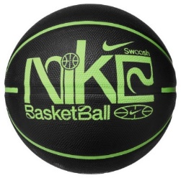 | NIKE EVERYDAY PLAYGROUND 8P GRAPHIC DEFLATED BLACK/LIME BLAST/LIME BLAST/LIME BLAST 07 | N.100.4371.060.07 | 887791757692 | 4,995 Ft | 9,990 Ft |  | 0 Ft
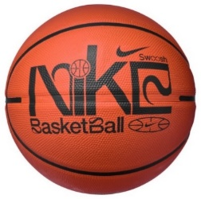 | NIKE EVERYDAY PLAYGROUND 8P GRAPHIC DEFLATED AMBER/BLACK/BLACK/WHITE 07 | N.100.4371.810.07 | 887791757784 | 4,995 Ft | 9,990 Ft |  | 0 Ft
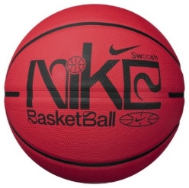 | NIKE EVERYDAY PLAYGROUND 8P GRAPHIC DEFLATED UNIVERSITY RED/BLACK/BLACK/UNIVERSITY RED 07 | N.100.4371.656.07 | 887791757876 | 4,995 Ft | 9,990 Ft |  | 0 Ft
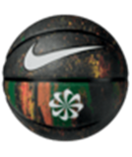 | NIKE EVERYDAY PLAYGROUND 8P NEXT NATURE DEFLATED MULTI/BLACK/BLACK/WHITE 06 | N.100.7037.973.06 | 887791415943 | 4,995 Ft | 9,990 Ft |  | 0 Ft
 | NIKE EVERYDAY PLAYGROUND 8P NEXT NATURE DEFLATED MULTI/BLACK/BLACK/WHITE 07 | N.100.7037.973.07 | 887791415950 | 4,995 Ft | 9,990 Ft |  | 0 Ft
 | NIKE EVERYDAY PLAYGROUND 8P NEXT NATURE DEFLATED MULTI/AMBER/BLACK/WHITE 07 | N.100.7037.987.07 | 887791415899 | 4,995 Ft | 9,990 Ft |  | 0 Ft
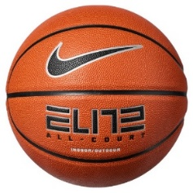 | NIKE ELITE ALL COURT 8P 2.0 DEFLATED AMBER/BLACK/METALLIC SILVER/BLACK 07 | N.100.4088.855.07 | 887791395719 | 7,995 Ft | 15,990 Ft |  | 0 Ft
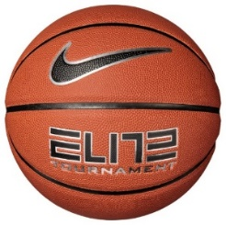 | NIKE ELITE TOURNAMENT 8P DEFLATED AMBER/BLACK/METALLIC SILVER/BLACK 07 | N.100.9915.855.07 | 887791754233 | 12,995 Ft | 25,990 Ft |  | 0 Ft
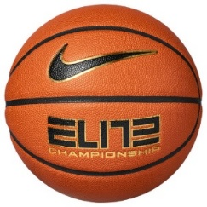 | NIKE ELITE CHAMPIONSHIP 8P 2.0 DEFLATED AMBER/BLACK/METALLIC GOLD/BLACK 07 | N.100.9913.891.07 | 887791754189 | 19,995 Ft | 39,990 Ft |  | 0 Ft
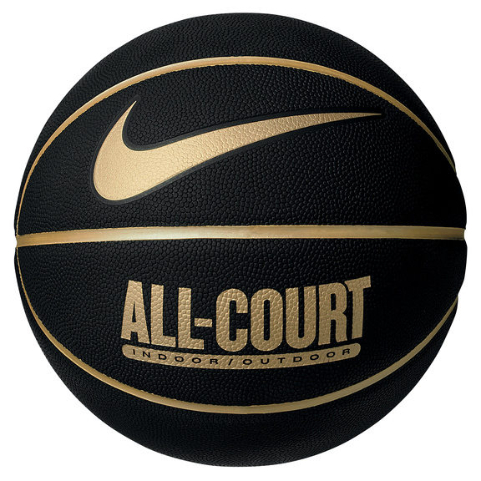 | NIKE EVERYDAY ALL COURT 8P DEFLATED BLACK/METALLIC GOLD/BLACK/METALLIC GOLD 07 | N.100.4369.070.07 | 887791402509 | 7,495 Ft | 14,990 Ft |  | 0 Ft
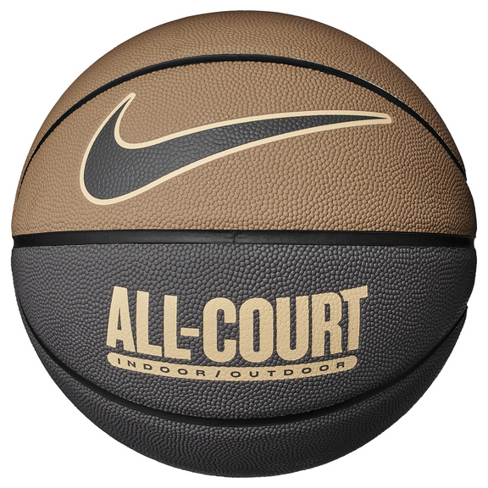 | NIKE EVERYDAY ALL COURT 8P DEFLATED DK DRIFTWOOD/MEDIUM ASH/SESAME/MEDIUM ASH 07 | N.100.4369.201.07 | 887791738592 | 7,495 Ft | 14,990 Ft |  | 0 Ft
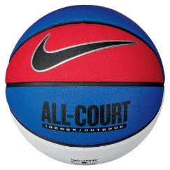 | NIKE EVERYDAY ALL COURT 8P DEFLATED GAME ROYAL/BLACK/METALLIC SILVER/BLACK 07 | N.100.4369.470.07 | 887791402363 | 7,495 Ft | 14,990 Ft |  | 0 Ft
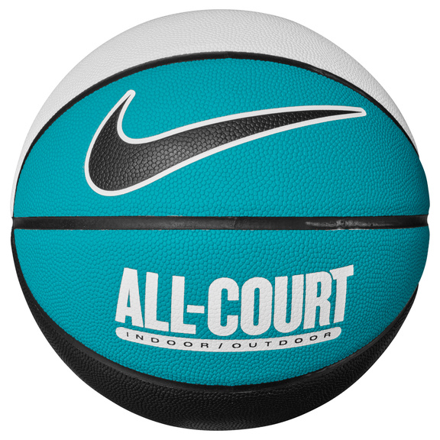 | NIKE EVERYDAY ALL COURT 8P DEFLATED WHITE/TEAL NEBULA/BLACK/BLACK 07 | N.100.4369.110.07 | 887791750679 | 7,495 Ft | 14,990 Ft |  | 0 Ft
 | NIKE EVERYDAY ALL COURT 8P DEFLATED WHITE/COOL GREY/BLACK/WHITE 07 | N.100.4369.120.07 | 887791746221 | 7,495 Ft | 14,990 Ft |  | 0 Ft
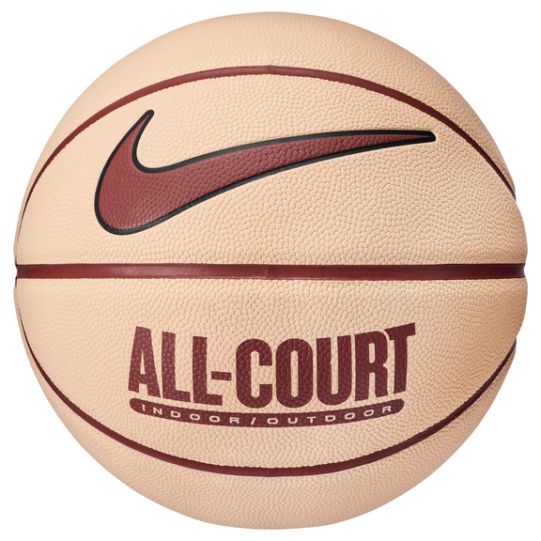 | NIKE EVERYDAY ALL COURT 8P DEFLATED ICE PEACH/RUGGED ORANGE/BLACK/RUGGED ORANGE 07 | N.100.4369.812.07 | 887791755209 | 7,495 Ft | 14,990 Ft |  | 0 Ft
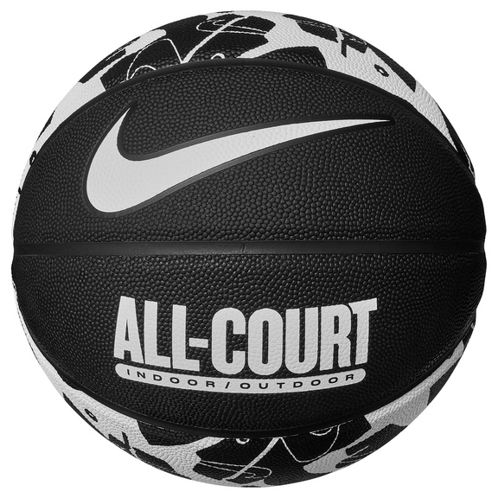 | NIKE EVERYDAY ALL COURT 8P GRAPHIC DEFLATED BLACK/WHITE/BLACK/WHITE 07 | N.100.4370.061.07 | 887791735881 | 7,495 Ft | 14,990 Ft |  | 0 Ft
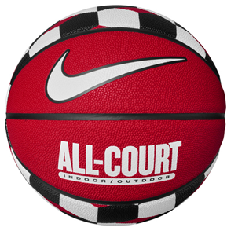 | NIKE EVERYDAY ALL COURT 8P GRAPHIC DEFLATED UNIVERSITY RED/BLACK/BLACK/WHITE 07 | N.100.4370.621.07 | 887791750457 | 7,495 Ft | 14,990 Ft |  | 0 Ft
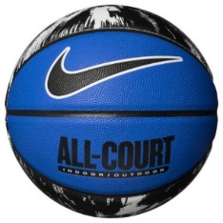 | NIKE EVERYDAY ALL COURT 8P GRAPHIC DEFLATED STAR BLUE/BLACK/WHITE/BLACK 07 | N.100.4370.455.07 | 887791758156 | 7,495 Ft | 14,990 Ft |  | 0 Ft
 | NIKE ALL COURT 8P 2.0 G ANTETOKOUNMPO DEFLATED AMBER/SAIL/BLACK/SAIL 07 | N.100.4138.812.07 | 887791396242 | 9,495 Ft | 18,990 Ft |  | 0 Ft
 | NIKE PLAYGROUND 8P 2.0 G ANTETOKOUNMPO DEFLATED MALACHITE/BLUE TINT/BLACK/PLAYFUL PINK 07 | N.100.4139.331.07 | 887791782724 | 6,245 Ft | 12,490 Ft |  | 0 Ft
 | NIKE PLAYGROUND 8P 2.0 L JAMES DEFLATED COURT PURPLE/AMARILLO/BLACK/WHITE 07 | N.100.4372.575.07 | 887791401199 | 6,245 Ft | 12,490 Ft |  | 0 Ft
 | NIKE PLAYGROUND 2.0 8P L JAMES DEFLATED PHANTOM/UNIVERSITY BLUE/BLACK/UNIVERSITY BLUE 07 | N.100.4372.086.07 | 887791758194 | 6,245 Ft | 12,490 Ft |  | 0 Ft
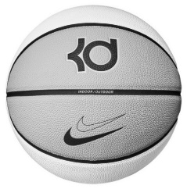 | NIKE ALL COURT 8P K DURANT DEFLATED SUMMIT WHITE/GREY FOG/BLACK/BLACK 07 | N.100.7111.113.07 | 887791420787 | 9,495 Ft | 18,990 Ft |  | 0 Ft
 | NIKE PLAYGROUND 8P 2.0 K DURANT DEFLATED MEDIUM OLIVE/PILGRIM/BLACK/BLACK 07 | N.100.7112.204.07 | 887791420879 | 6,245 Ft | 12,490 Ft |  | 0 Ft
 | NIKE PLAYGROUND 8P 2.0 K DURANT DEFLATED OCEAN BLISS/MINERAL TEAL/FADED SPRUCE/HOT PUNCH 07 | N.100.7112.419.07 | 887791746061 | 6,245 Ft | 12,490 Ft |  | 0 Ft
 | NIKE PLAYGROUND 8P 2.0 K DURANT DEFLATED BLACK/WOLF GREY/BLACK/SAIL 07 | N.100.7112.030.07 | 887791773487 | 6,245 Ft | 12,490 Ft |  | 0 Ft
 | NIKE SKILLS LASER BLUE/DEEP ROYAL BLUE/HYPER PINK/ORANGE TRANCE 03 | N.000.1285.422.03 | 887791735874 | 2,995 Ft | 5,990 Ft |  | 0 Ft
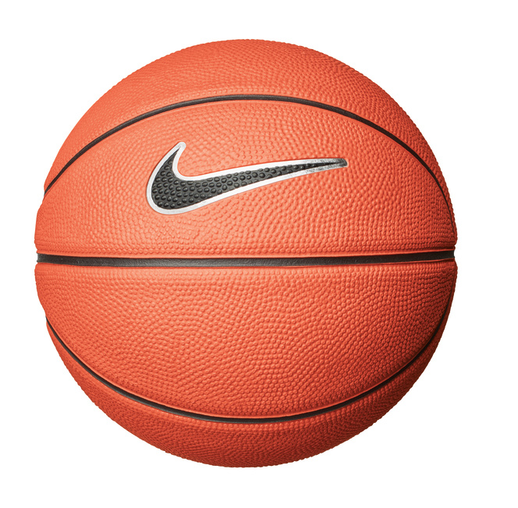 | NIKE SKILLS 03 AMBER/BLACK/WHITE/BLACK | N.KI.08.879.03 | 887791144089 | 2,995 Ft | 5,990 Ft |  | 0 Ft
 | NIKE ELITE HEADBAND BLACK/WHITE | N.100.6699.010.OS | 887791730121 | 3,495 Ft | 6,990 Ft |  | 0 Ft
 | NIKE ELITE HEADBAND WHITE/BLACK | N.100.6699.101.OS | 887791730114 | 3,495 Ft | 6,990 Ft |  | 0 Ft
 | NIKE PRO ELITE SLEEVES 2.0 BLACK/WHITE/WHITE L/XL | N.000.2044.027.LX | 887791334541 | 10,995 Ft | 21,990 Ft |  | 0 Ft
 | NIKE PRO ELITE SLEEVES 2.0 BLACK/WHITE/WHITE S/M | N.000.2044.027.SM | 887791334534 | 10,995 Ft | 21,990 Ft |  | 0 Ft
 | NIKE ESSENTIAL BALL PUMP INTL BLACK/WHITE/WHITE | N.KJ.02.027.NS | 887791177544 | 3,495 Ft | 6,990 Ft |  | 0 Ft
 | NIKE ESSENTIAL BALL PUMP INTL GAME ROYAL/WHITE/WHITE | N.KJ.02.420.NS | 887791177568 | 3,495 Ft | 6,990 Ft |  | 0 Ft
 | NIKE ESSENTIAL BALL PUMP WHITE/METALLIC GOLD/BLACK | N.000.1384.180.NS | 887791773401 | 3,495 Ft | 6,990 Ft |  | 0 Ft
 |  |  |  |  | Összes rendelés | 0 | 0 Ft

Röplabda
Kép | Termék megnevezése | Material number | UPC | Nettó nagyker ár | Ajánlott kisker ár | Rendelt mennyiség | Ár összesen
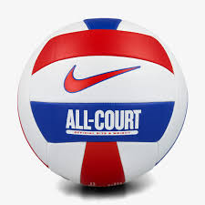 | NIKE ALL COURT LITE VOLLEYBALL DEFLATED WHITE/UNIVERSITY RED/GAME ROYAL/UNIVERSITY RED 05 | N.100.9071.124.05 | 887791746351 | 7,495 Ft | 14,990 Ft |  | 0 Ft
 | NIKE ALL COURT LITE VOLLEYBALL DEFLATED WHITE/GAME ROYAL/CITRON TINT/WHITE 05 | N.100.9071.934.05 | 887791747372 | 6,245 Ft | 12,490 Ft |  | 0 Ft
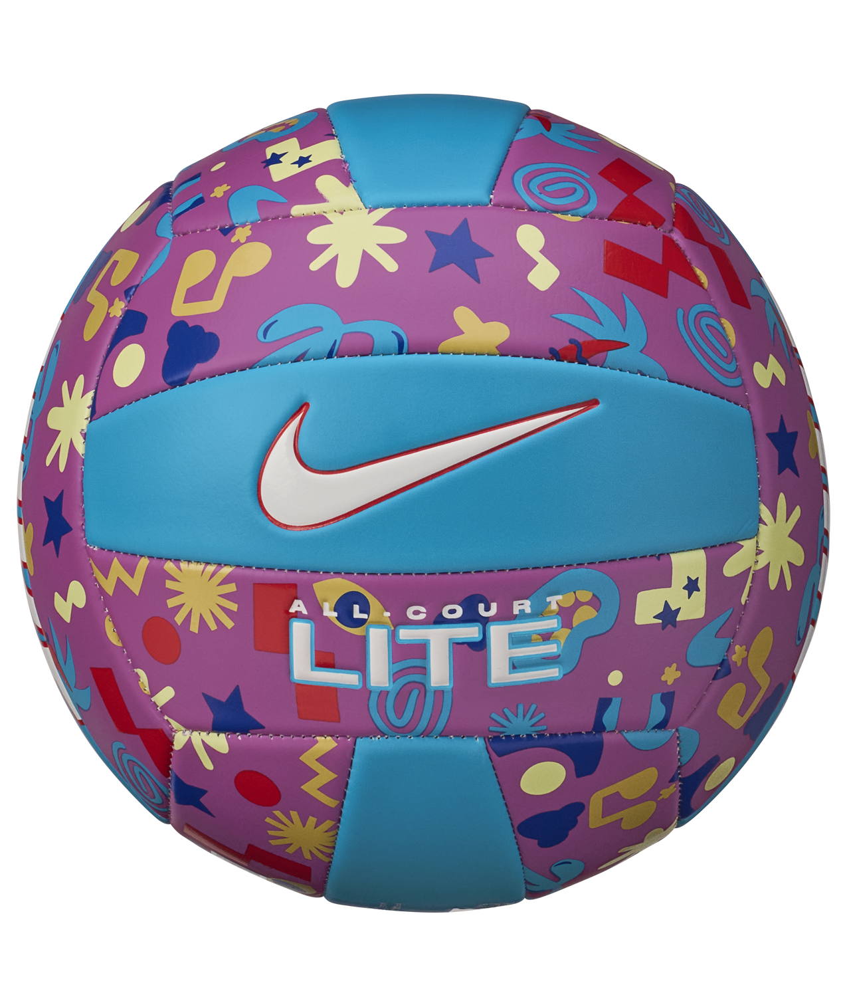 | NIKE ALL COURT LITE VOLLEYBALL DEFLATED ACTIVE FUCHSIA/BLUE LIGHTNING/PICANTE RED/WHITE 05 | N.100.9071.938.05 | 887791747389 | 6,245 Ft | 12,490 Ft |  | 0 Ft
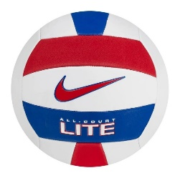 | NIKE ALL COURT LITE VOLLEYBALL DEFLATED WHITE/UNIVERSITY RED/GAME ROYAL/UNIVERSITY RED 05 | N.100.9071.124.05 | 887791746351 | 6,245 Ft | 12,490 Ft |  | 0 Ft
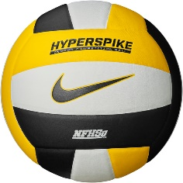 | NIKE HYPERSPIKE 18P WHITE/BLACK/AMARILLO/BLACK 05 | N.000.1805.112.05 | 887791369062 | 9,995 Ft | 19,990 Ft |  | 0 Ft
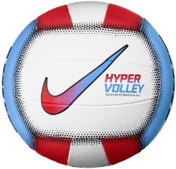 | NIKE HYPERVOLLEY 18P UNIVERSITY RED/UNIVERSITY BLUE/WHITE/BLACK 05 | N.100.0701.982.05 | 887791358387 | 6,995 Ft | 13,990 Ft |  | 0 Ft
 | NIKE STREAK VOLLEYBALL KNEE PAD CE WHITE/ XL/XXL | N.VP.07.100.XX | 887791017536 | 7,995 Ft | 15,990 Ft |  | 0 Ft
 | NIKE STREAK VOLLEYBALL KNEE PAD CE M/L BLACK | N.VP.07.001.ML | 887791017499 | 7,995 Ft | 15,990 Ft |  | 0 Ft
 | NIKE STREAK VOLLEYBALL KNEE PAD CE XL/XXL BLACK | N.VP.07.001.XX | 887791017505 | 7,995 Ft | 15,990 Ft |  | 0 Ft
 | NIKE ESSENTIAL BALL PUMP INTL BLACK/WHITE/WHITE | N.KJ.02.027.NS | 887791177544 | 3,495 Ft | 6,990 Ft |  | 0 Ft
 | NIKE ESSENTIAL BALL PUMP INTL GAME ROYAL/WHITE/WHITE | N.KJ.02.420.NS | 887791177568 | 3,495 Ft | 6,990 Ft |  | 0 Ft
 | NIKE ESSENTIAL BALL PUMP WHITE/METALLIC GOLD/BLACK | N.000.1384.180.NS | 887791773401 | 3,495 Ft | 6,990 Ft |  | 0 Ft
 |  |  |  |  | Összes rendelés | 0 | 0 Ft

Sportswear
Kép | Termék megnevezése | Material number | UPC | Nettó nagyker ár | Ajánlott kisker ár | Rendelt mennyiség | Ár összesen
 | NIKE ICON BLAZER WRISTLET LARGE BLACK/BLACK/WHITE | N.100.9949.091.OS | 887791771629 | 7,995 Ft | 15,990 Ft |  | 0 Ft
 | NIKE ICON CORTEZ WRISTLET BLACK/BLACK/WHITE | N.100.9739.091.OS | 887791771537 | 6,495 Ft | 12,990 Ft |  | 0 Ft
 | NIKE ICON CORTEZ WRISTLET CRIMSON TINT/WHITE/CRIMSON TINT | N.100.9739.806.OS | 887791771674 | 6,495 Ft | 12,990 Ft |  | 0 Ft
 | NIKE ICON AIR FORCE 1 CARD WALLET WHEAT/WHEAT/WHEAT | N.100.9738.715.OS | 887791770721 | 4,995 Ft | 9,990 Ft |  | 0 Ft
 | NIKE ICON AIR FORCE 1 CARD WALLET WHITE/WHITE/WHITE | N.100.9738.176.OS | 887791770752 | 4,995 Ft | 9,990 Ft |  | 0 Ft
 | NIKE ICON AIR MAX 90 CARD WALLET NEUTRAL GREY/INFRARED/COOL GREY | N.100.9740.068.OS | 887791771476 | 4,995 Ft | 9,990 Ft |  | 0 Ft
 | NIKE ICON AIR MAX 90 CARD WALLET WHITE/HOT LIME/HOT LIME | N.100.9740.152.OS | 887791771582 | 4,995 Ft | 9,990 Ft |  | 0 Ft
 | NIKE CLUB PHONE CROSSBODY BLACK/BLACK/WHITE | N.100.9096.091.OS | 887791771292 | 4,995 Ft | 9,990 Ft |  | 0 Ft
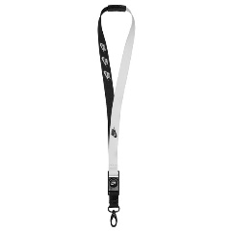 | NIKE PREMIUM LANYARD PRINTED BLACK/WHITE NS | N.100.4565.010.NS | 887791729736 | 3,995 Ft | 7,990 Ft |  | 0 Ft
 | NIKE OFFLINE OVERSIZE BOUCLE KNIT BLANKET BLACK/BLACK OSFM | N.101.0965.001.OS | 887791786968 | 24,995 Ft | 49,990 Ft |  | 0 Ft
 | NIKE OFFLINE OVERSIZE BOUCLE KNIT BLANKET LT OREWOOD BRN/BLACK OSFM | N.101.0965.118.OS | 887791785435 | 24,995 Ft | 49,990 Ft |  | 0 Ft
 |  |  |  |  | Összes rendelés | 0 | 0 Ft

Téli kiegészítők
Kép | Termék megnevezése | Material number | UPC | Nettó nagyker ár | Ajánlott kisker ár | Rendelt mennyiség | Ár összesen
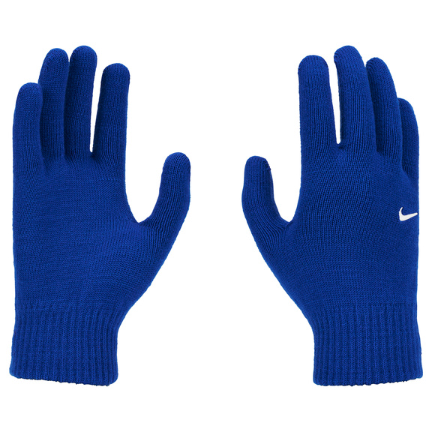 | NIKE KNIT SWOOSH TG 2.0 GAME ROYAL/WHITE S/M | N.100.0665.400.SM | 887791782038 | 3,245 Ft | 6,490 Ft |  | 0 Ft
 | NIKE KNIT SWOOSH TG 2.0 GAME ROYAL/WHITE L/XL | N.100.0665.400.LX | 887791782045 | 3,245 Ft | 6,490 Ft |  | 0 Ft
 | NIKE M LG TECH FLEECE 2.0 BLACK/BLACK/BLACK S | N.100.6797.013.SL | 887791726711 | 7,245 Ft | 14,490 Ft |  | 0 Ft
 | NIKE M LG TECH FLEECE 2.0 BLACK/BLACK/BLACK XL | N.100.6797.013.XL | 887791726735 | 7,245 Ft | 14,490 Ft |  | 0 Ft
 | NIKE W LG CLUB FLEECE BLACK/WHITE XS | N.100.4361.010.XS | 887791727183 | 7,495 Ft | 14,990 Ft |  | 0 Ft
 | NIKE W LG CLUB FLEECE BLACK/WHITE S | N.100.4361.010.SL | 887791727206 | 7,495 Ft | 14,990 Ft |  | 0 Ft
 | NIKE W LG CLUB FLEECE BLACK/WHITE M | N.100.4361.010.MD | 887791727190 | 7,495 Ft | 14,990 Ft |  | 0 Ft
 | NIKE W LG CLUB FLEECE BLACK/WHITE L | N.100.4361.010.LG | 887791727213 | 7,495 Ft | 14,990 Ft |  | 0 Ft
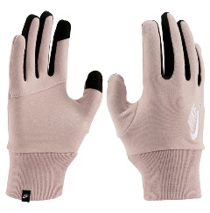 | NIKE W LG CLUB FLEECE PINK OXFORD/WHITE XS | N.100.4361.656.XS | 887791727299 | 7,495 Ft | 14,990 Ft |  | 0 Ft
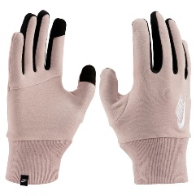 | NIKE W LG CLUB FLEECE PINK OXFORD/WHITE S | N.100.4361.656.SL | 887791727275 | 7,495 Ft | 14,990 Ft |  | 0 Ft
 | NIKE W LG CLUB FLEECE PINK OXFORD/WHITE M | N.100.4361.656.MD | 887791727282 | 7,495 Ft | 14,990 Ft |  | 0 Ft
 | NIKE W LG CLUB FLEECE PINK OXFORD/WHITE L | N.100.4361.656.LG | 887791727268 | 7,495 Ft | 14,990 Ft |  | 0 Ft
 | NIKE W HEADBAND CLUB FLEECE BLACK/WHITE OSFM | N.100.4360.010.OS | 887791727077 | 3,995 Ft | 7,990 Ft |  | 0 Ft
 | NIKE W HEADBAND CLUB FLEECE PINK OXFORD/WHITE OSFM | N.100.4360.656.OS | 887791727091 | 3,995 Ft | 7,990 Ft |  | 0 Ft
 | NIKE NECKWARMER REVERSIBLE CLUB FLEECE PINK OXFORD/SAIL/PINK OXFORD OSFM | N.100.8241.673.OS | 887791734006 | 6,245 Ft | 12,490 Ft |  | 0 Ft
 | NIKE NECKWARMER REVERSIBLE CLUB FLEECE PRINTED BLACK/DK SMOKE GREY/BLACK | N.100.8235.075.OS | 887791779502 | 6,245 Ft | 12,490 Ft |  | 0 Ft
 | NIKE DRI-FIT WRAP 2.0 GHOST GREEN/SILVER | N.100.2586.308.OS | 887791730398 | 4,995 Ft | 9,990 Ft |  | 0 Ft
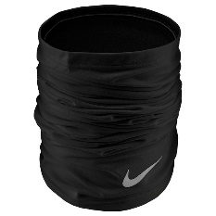 | NIKE THERMA FIT WRAP 2.0 BLACK/SILVER | N.100.2584.042.OS | 887791730404 | 5,745 Ft | 11,490 Ft |  | 0 Ft
 | NIKE FLEECE NECK WARMER 2.0 BLACK/WHITE | N.100.0656.010.OS | 887791366405 | 3,745 Ft | 7,490 Ft |  | 0 Ft
 | NIKE NSW CLASSIC HOOD PRINTED DK SMOKE GREY/WHITE OSFM | N.101.1798.062.OS | 887791778925 | 7,245 Ft | 14,490 Ft |  | 0 Ft
 | NIKE SKULL CAP KNIT BLACK/WHITE | N.100.9447.010.OS | 887791765338 | 7,245 Ft | 14,490 Ft |  | 0 Ft
 | NIKE PRO DRI-FIT GAITER BLACK/WHITE OSFM | N.100.9449.010.OS | 887791765253 | 4,995 Ft | 9,990 Ft |  | 0 Ft
 |  |  |  |  | Összes rendelés | 0 | 0 Ft

Training
Kép | Termék megnevezése | Material number | UPC | Nettó nagyker ár | Ajánlott kisker ár | Rendelt mennyiség | Ár összesen
 | NIKE FUNDAMENTAL SPEED ROPE BLACK/WHITE/WHITE | N.100.0487.027.NS | 887791322913 | 4,995 Ft | 9,990 Ft |  | 0 Ft
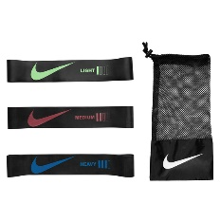 | NIKE RESISTANCE BANDS MINI 3 PK BLACK/BLACK/BLACK | N.100.6723.013.NS | 887791406569 | 8,495 Ft | 16,990 Ft |  | 0 Ft
 | NIKE PRO ANKLE SLEEVE WITH STRAP BLACK/WHITE M | N.100.0673.010.MD | 887791360557 | 6,495 Ft | 12,990 Ft |  | 0 Ft
 | NIKE PRO ANKLE SLEEVE WITH STRAP BLACK/WHITE L | N.100.0673.010.LG | 887791360588 | 6,495 Ft | 12,990 Ft |  | 0 Ft
 | NIKE PRO ANKLE SLEEVE WITH STRAP BLACK/WHITE XL | N.100.0673.010.XL | 887791360571 | 6,495 Ft | 12,990 Ft |  | 0 Ft
 | NIKE PRO OPEN KNEE SLEEVE WITH STRAP BLACK/WHITE M | N.100.0672.010.MD | 887791361158 | 9,995 Ft | 19,990 Ft |  | 0 Ft
 | NIKE PRO OPEN KNEE SLEEVE WITH STRAP BLACK/WHITE L | N.100.0672.010.LG | 887791361134 | 9,995 Ft | 19,990 Ft |  | 0 Ft
 | NIKE PRO OPEN KNEE SLEEVE WITH STRAP BLACK/WHITE XL | N.100.0672.010.XL | 887791361141 | 9,995 Ft | 19,990 Ft |  | 0 Ft
 | NIKE PRO STRONG LEG SLEEVES BLACK/BLACK/WHITE L/XL | N.100.0831.091.LX | 887791365958 | 7,495 Ft | 14,990 Ft |  | 0 Ft
 |  |  |  |  | Összes rendelés | 0 | 0 Ft

